Automotive Work Order
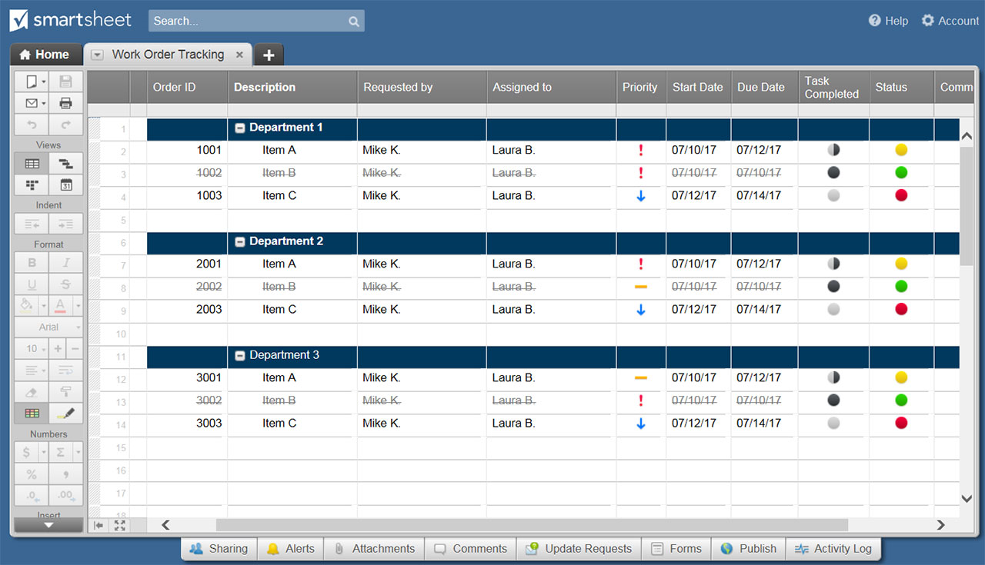
AUTOMOTIVE WORK ORDER TEMPLATE
Company Name |  |  | Company Logo
123 Company Address Drive
Fourth Floor, Suite 412
Company City, NY 11101
321-654-9870

W O R K O R D E R

CLIENT NAME |  |  | ORDER NUMBER
CLIENT PHONE |  |  | ORDER RECEIVED BY
ORDER DATE & TIME |  | DATE PROMISED |  | DATE DELIVERED

V I N
ODOMETER READING |  |  | MAKE & MODEL
LICENSE # & STATE |  |  | MOTOR #

LUBRICATE |  | CHANGE OIL |  | TRANS
BATTERY |  | FLAT REPAIR |  | WASH
DIFF |  | WIPERS |  | POLISH

LABOR DESCRIPTION |  |  |  |  | AMOUNT
 |  |  |  |  | $600.00
 |  |  |  |  | $37.50
 |  |  |  |  | $-
 |  |  |  |  | $-
 |  |  |  |  | $-
 |  |  |  |  | $-
 |  |  |  | LABOR TOTAL | $637.50

PART NUMBER | PART NAME |  | QUANTITY | PRICE PER UNIT | AMOUNT
 |  |  | 1.00 | $300.00 | $300.00
 |  |  | 2.00 | $86.50 | $173.00
 |  |  | 0.00 | $- | $-
 |  |  | 0.00 | $- | $-
 |  |  | 0.00 | $- | $-
 |  |  | 0.00 | $- | $-
 |  |  |  | PARTS TOTAL | $473.00

WORK ORDER COMPILED BY |  |  |  | SUBTOTAL | $1,110.50
 |  |  | enter tax rate | TAX RATE % | 6.148%
WORK AUTHORIZED BY |  |  |  | TOTAL TAX | $68.27
AUTHORIZING PARTY SIGNATURE |  |  | enter other cost | OTHER | $150.00
AUTHORIZATION DATE |  |  |  | TOTAL | $1,328.77

